Product Structure (ESD)
Product Configuration

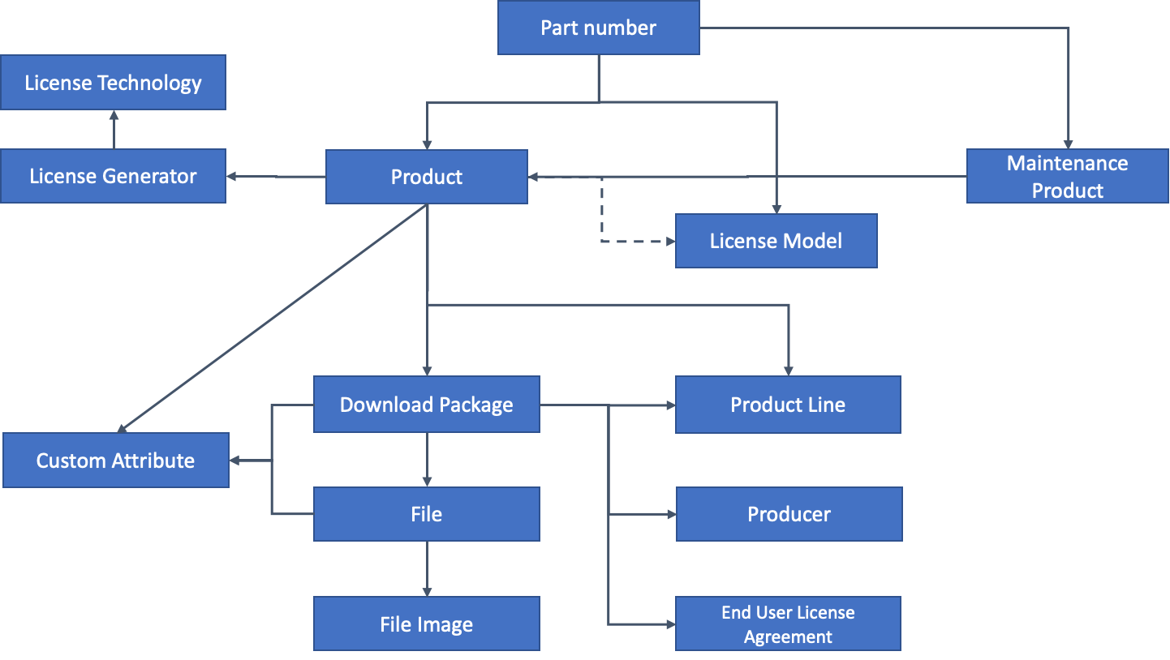
Configuration Rules:

Product Structure (Licensing)
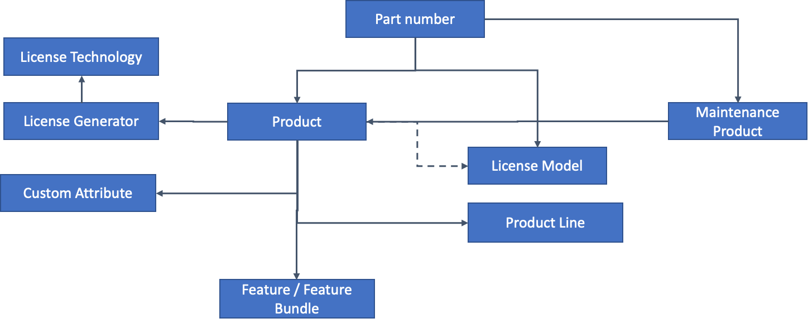
Product Configuration

Configuration Rules:

